Cover
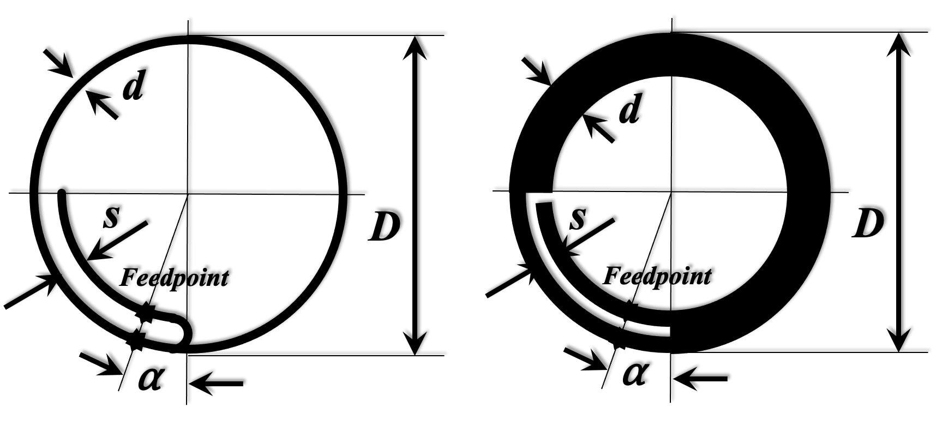

Cool experiments and tools for hobbyists and
future professionals



Tutorial on YouTube!

Cool Tool: | Synthesis of Loop Antennas

 |  | Impedance Transformation
 |  | plus
 |  | Wire Loop Antenna
 |  | Planar Structure Antenna (Metal Sheet, PBC, Foil)
 |  | Layout for any frequency, wire diameter, conductor width

Version 24.10.2022

Further distribution without changes is permitted

Waveguides
Parallel Wires Waveguide
input

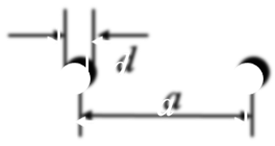
 | Wire distance |  | a = | 9 | mm
 | Wire diameter |  | d = | 2.523 | mm
 | Relative effective permitivity |  | ℇr = | 1

output

 |  |  | ZL = | 233.36048934 | Ohm

Two Bands Waveguide
input

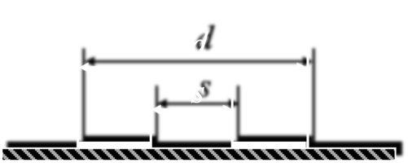
 |  |  | d = | 12.5 | mm
 | s/d = | 0.28 | s = | 3.5 | mm
 | (s/d min = 0,173) |  | ℇr = | 1.12

output

 |  |  | ZL = | 212.16003563 | Ohm

Complex Impedance Transform.
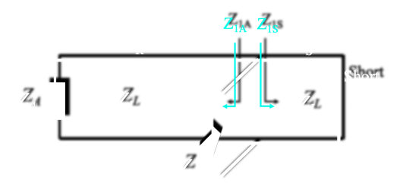
Complex Impedance Transformation
input
% frequency deviation
 | Frequency deviation step for graphic |  |  | 3.0 | %
 | Frequency |  | f = | 866.0 | MHz
 | Waveguide impedance |  | ZL = | 213.2 | Ohm
 | Terminating impedance |  | ZA = | 1,000.0 | Ohm |  |  |  |  |  | a = | 1.3739413405 | 1.4973889153 | 1.6367246425 | 1.7957801807 | 1.9797050132 | 2.1955888876 | 2.4534736372 | 2.7680716782 | 3.1618428934 | 3.6708727127 | 4.35705889 | 5.3362272052 | 6.8532316501 | 9.5310036234 | 15.559161327 | 41.961580921 | -60.494535896 | -17.560472452 | -10.251361196 | -7.2217248862 | -5.5600557376
 | Short impedance |  | ZS = | 0.0 | Ohm |  |  |  |  |  | b = | 0.15918376954 | 0.16612818462 | 0.17308822749 | 0.18006459028 | 0.1870579714 | 0.19406907577 | 0.20109861515 | 0.20814730843 | 0.21521588195 | 0.22230506978 | 0.22941561408 | 0.23654826542 | 0.24370378308 | 0.25088293543 | 0.25808650028 | 0.2653152652 | 0.27257002792 | 0.27985159669 | 0.28716079069 | 0.29449844039 | 0.30186538796
 | Total waveguide length |  | L = | 0.0866 | m |  |  |  |  |  | c = | 0.31850628677 | 0.30219327157 | 0.28793201346 | 0.27545985869 | 0.26455939994 | 0.25505014533 | 0.2467819717 | 0.23962995645 | 0.23349028335 | 0.22827699278 | 0.2239194022 | 0.22036006484 | 0.21755316621 | 0.2154632825 | 0.214064444 | 0.21333946181 | 0.21327948851 | 0.2138837941 | 0.21515974749 | 0.21712300306 | 0.21979789988
 | Feedpoint to Short |  | LS = | 0.0124 | m |  |  | 50.00 | + j | 0.00 | d = | -0.67840367579 | -0.62479771988 | -0.57346605309 | -0.52415400948 | -0.47663142419 | -0.43068956368 | -0.38613832146 | -0.34280368528 | -0.30052546232 | -0.25915523903 | -0.21855454831 | -0.17859321515 | -0.13914785314 | -0.1001004849 | -0.061337261694 | -0.022747258625 | 0.015778676655 | 0.0543490428 | 0.09307279169 | 0.13206044362 | 0.17142523121

output |  |  |  |  |  |  |  |  |  |  |  |  |  |  |  |  |  |  |  |  |  | Frequ var
 |  |  |  |  |  |  |  |  |  |  |  |  |  |  |  |  |  |  |  |  |  | 3
 | Wavelength |  | 𝛌 = | 0.3464 | m | a = | 4.35705889 |  |  |  | Deviation | -30 | -27 | -24 | -21 | -18 | -15 | -12 | -9 | -6 | -3 | 0 | 3 | 6 | 9 | 12 | 15 | 18 | 21 | 24 | 27 | 30
 | Relative wavelength |  | 𝛌 = | 0.2500 |  | b = | 0.22941561408 |  |  |  |  | 606.2 | 632.18 | 658.16 | 684.14 | 710.12 | 736.1 | 762.08 | 788.06 | 814.04 | 840.02 | 866 | 891.98 | 917.96 | 943.94 | 969.92 | 995.9 | 1021.88 | 1047.86 | 1073.84 | 1099.82 | 1125.8
 |  |  |  |  |  | c = | 0.2239194022 |  |  |  |  | 213.22387373 | 213.22387373 | 213.22387373 | 213.22387373 | 213.22387373 | 213.22387373 | 213.22387373 | 213.22387373 | 213.22387373 | 213.22387373 | 213.22387373 | 213.22387373 | 213.22387373 | 213.22387373 | 213.22387373 | 213.22387373 | 213.22387373 | 213.22387373 | 213.22387373 | 213.22387373 | 213.22387373
towards antenna |  |  |  |  |  | d = | -0.21855454831 |  |  |  |  | 1000 | 1000 | 1000 | 1000 | 1000 | 1000 | 1000 | 1000 | 1000 | 1000 | 1000 | 1000 | 1000 | 1000 | 1000 | 1000 | 1000 | 1000 | 1000 | 1000 | 1000
 | Waveguide length |  | LA = | 0.0742 | m |  |  |  |  |  |  | 0 | 0 | 0 | 0 | 0 | 0 | 0 | 0 | 0 | 0 | 0 | 0 | 0 | 0 | 0 | 0 | 0 | 0 | 0 | 0 | 0
 | Relative waveguide length |  |  | 0.2141 | 𝛌 |  |  |  |  |  |  | 0.0866 | 0.0866 | 0.0866 | 0.0866 | 0.0866 | 0.0866 | 0.0866 | 0.0866 | 0.0866 | 0.0866 | 0.0866 | 0.0866 | 0.0866 | 0.0866 | 0.0866 | 0.0866 | 0.0866 | 0.0866 | 0.0866 | 0.0866 | 0.0866
 | Transformed impedance |  | Re (Z1A) = | 47.74 | Ohm |  |  |  |  |  | ok | 0.012433564147 | 0.012433564147 | 0.012433564147 | 0.012433564147 | 0.012433564147 | 0.012433564147 | 0.012433564147 | 0.012433564147 | 0.012433564147 | 0.012433564147 | 0.012433564147 | 0.012433564147 | 0.012433564147 | 0.012433564147 | 0.012433564147 | 0.012433564147 | 0.012433564147 | 0.012433564147 | 0.012433564147 | 0.012433564147 | 0.012433564147
 |  |  | j Im (Z1A) = | -46.60 | Ohm

towards short |  |  |  |  |  |  |  |  |  |  |  | 0.49488617618 | 0.47454838812 | 0.4558162149 | 0.43850673839 | 0.42246380893 | 0.40755332156 | 0.39365945832 | 0.38068167398 | 0.36853225886 | 0.35713435394 | 0.34642032333 | 0.336330411 | 0.32681162578 | 0.31781681039 | 0.30930386011 | 0.30123506376 | 0.29357654519 | 0.28629778787 | 0.27937122849 | 0.27277190813 | 0.26647717179
 | Waveguide length |  | LS = | 0.0124 | m |  |  |  |  |  |  | 0.17498973333 | 0.18248929333 | 0.18998885333 | 0.19748841333 | 0.20498797333 | 0.21248753333 | 0.21998709333 | 0.22748665333 | 0.23498621333 | 0.24248577333 | 0.24998533333 | 0.25748489333 | 0.26498445333 | 0.27248401333 | 0.27998357333 | 0.28748313333 | 0.29498269333 | 0.30248225333 | 0.30998181333 | 0.31748137333 | 0.32498093333
 | Relative waveguide length |  |  | 0.0359 | 𝛌
 | Transformed impedance |  | Re (Z1S) = | 0.00 | Ohm
 |  |  | j Im (Z1S) = | 48.92 | Ohm |  |  |  |  |  |  | 0.074166435853 | 0.074166435853 | 0.074166435853 | 0.074166435853 | 0.074166435853 | 0.074166435853 | 0.074166435853 | 0.074166435853 | 0.074166435853 | 0.074166435853 | 0.074166435853 | 0.074166435853 | 0.074166435853 | 0.074166435853 | 0.074166435853 | 0.074166435853 | 0.074166435853 | 0.074166435853 | 0.074166435853 | 0.074166435853 | 0.074166435853
 |  |  |  |  |  |  |  |  |  |  |  | 0.14986564471 | 0.15628845806 | 0.1627112714 | 0.16913408475 | 0.17555689809 | 0.18197971144 | 0.18840252478 | 0.19482533813 | 0.20124815147 | 0.20767096482 | 0.21409377816 | 0.22051659151 | 0.22693940485 | 0.2333622182 | 0.23978503154 | 0.24620784489 | 0.25263065823 | 0.25905347158 | 0.26547628492 | 0.27189909827 | 0.27832191161
 |  |  |  |  |  |  |  |  |  |  |  | 67.913144271 | 64.434819979 | 61.39397928 | 58.734618127 | 56.410380087 | 54.382779982 | 52.619807973 | 51.094827575 | 49.785702693 | 48.674104683 | 47.74496234 | 46.98602664 | 46.387528841 | 45.941915742 | 45.643649978 | 45.489066466 | 45.476278727 | 45.605131105 | 45.877194831 | 46.295807789 | 46.866159651
 | Transformed impedance Z |  | Re (Z) = | 50.00 | Ohm |  |  |  |  |  |  | -144.6518597 | -133.22179013 | -122.27665329 | -111.76214833 | -101.62919861 | -91.833297142 | -82.333908697 | -73.093929705 | -64.079203229 | -55.258083963 | -46.601047411 | -38.080337156 | -29.669644267 | -21.343813152 | -13.078568542 | -4.8502586008 | 3.3643905586 | 11.588513439 | 19.845341183 | 28.158439356 | 36.551951853
 |  |  | j Im (Z) = | 0.00 | Ohm

 |  |  | Abs = | 50.00 | Ohm
 |  |  |  |  |  |  |  |  |  |  |  | 0.012433564147 | 0.012433564147 | 0.012433564147 | 0.012433564147 | 0.012433564147 | 0.012433564147 | 0.012433564147 | 0.012433564147 | 0.012433564147 | 0.012433564147 | 0.012433564147 | 0.012433564147 | 0.012433564147 | 0.012433564147 | 0.012433564147 | 0.012433564147 | 0.012433564147 | 0.012433564147 | 0.012433564147 | 0.012433564147 | 0.012433564147
 |  |  |  |  |  |  |  |  |  |  |  | 0.025124088619 | 0.026200835274 | 0.02727758193 | 0.028354328585 | 0.02943107524 | 0.030507821895 | 0.03158456855 | 0.032661315205 | 0.03373806186 | 0.034814808515 | 0.03589155517 | 0.036968301826 | 0.038045048481 | 0.039121795136 | 0.040198541791 | 0.041275288446 | 0.042352035101 | 0.043428781756 | 0.044505528411 | 0.045582275067 | 0.046659021722
Solver Application |  |  |  |  |  |  |  |  |  |  |  | 0 | 0 | 0 | 0 | 0 | 0 | 0 | 0 | 0 | 0 | 0 | 0 | 0 | 0 | 0 | 0 | 0 | 0 | 0 | 0 | 0
input |  | output |  |  |  |  |  |  |  |  |  | 33.941779977 | 35.42249506 | 36.906542361 | 38.394069461 | 39.885225274 | 41.380160107 | 42.879025724 | 44.38197541 | 45.889164037 | 47.400748127 | 48.916885928 | 50.437737476 | 51.96346467 | 53.494231346 | 55.030203347 | 56.571548605 | 58.118437214 | 59.671041515 | 61.229536174 | 62.794098266 | 64.364907365

 | to be: Re Z |  |  | 50.00 | Ohm
 | to be: Im Z |  |  | 0.00 | Ohm | These fields are dedicated to work with EXCEL Solver.
 |  |  |  |  |  | Use CRG method, set goal to minimize the cost function. |  |  |  |  | Re(Z) / Ohm | 4.6380547029 | 5.8943250817 | 7.562829883 | 9.8023992198 | 12.830087044 | 16.921769213 | 22.366578289 | 29.299226512 | 37.316153279 | 44.988360251 | 49.999941481 | 50.640242013 | 47.287400414 | 41.811695953 | 35.965019425 | 30.685041337 | 26.265660597 | 22.686332269 | 19.820130879 | 17.526382326 | 15.682461847
 | Squared Deviation |  |  | 3.42E-09 |  |  |  |  |  |  | Im(Z) / Ohm | -0.59869021375 | -1.4647793385 | -2.4819180645 | -3.6567755113 | -4.9689242585 | -6.335901016 | -7.549285603 | -8.1833507344 | -7.544899016 | -4.8768702257 | 7.0829494818E-05 | 6.1327369481 | 11.96802369 | 16.483735661 | 19.525144058 | 21.401995258 | 22.495413039 | 23.103335233 | 23.424244389 | 23.581613958 | 23.650002945
 | Squared Deviation |  |  | 5.02E-09

 | Cost function for solver |  |  | 8.44E-09

Synthesis Wire Loop
Synthesis of Wire Loop Antenna
input
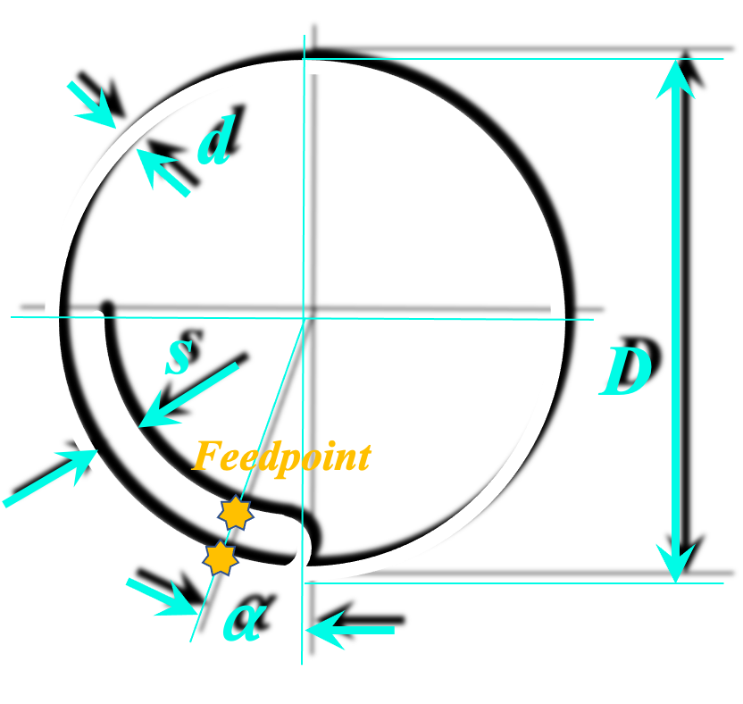
 | Frequency |  | f = | 2,400.0 | MHz
 | Wire diameter |  | d = | 1.000 | mm
 | Wire distance |  | s = | 3.2 | mm
 | Feed angle (feedpoint to short) |  | ⍺ = | 12.6 | °
 | Relative effective permitivity |  | ℇr = | 1.0

output

 | Circumference (1 wavelength) |  | C = | 125.00 | mm
 | Outer diameter |  | D = | 39.79 | mm | fac = | 541.93345087
 | Loop impedance (terminating) |  | ZA = | 1051.50 | Ohm | pot = | 0.17994191273
 | Waveguide imped. (feed netw.) |  | ZL = | 219.10 | Ohm | d/D = | 0.025132741229

output
% frequency deviation
 | Frequency deviation step for graphic |  |  | 3.0 | %
 | Frequency |  | f = | 2,400.0 | MHz
 | Waveguide impedance |  | ZL = | 219.1 | Ohm
 | Terminating impedance |  | ZA = | 1,051.5 | Ohm |  |  |  |  |  | a = | 1.3856857265 | 1.5111505119 | 1.6529958084 | 1.8152234381 | 2.0032318003 | 2.2244860279 | 2.489614782 | 2.8142882095 | 3.2226136212 | 3.7537027096 | 4.4755034075 | 5.5173911976 | 7.1598720719 | 10.146326672 | 17.308325574 | 58.193193792 | -42.824990989 | -15.634116301 | -9.5432837683 | -6.8513236154 | -5.3299525508
 | Short impedance |  | ZS = | 0.0 | Ohm |  |  |  |  |  | b = | 0.15510559513 | 0.16186609734 | 0.16864104859 | 0.17543108648 | 0.18223685411 | 0.1890590003 | 0.19589817985 | 0.2027550538 | 0.2096302897 | 0.21652456191 | 0.22343855181 | 0.23037294816 | 0.23732844733 | 0.24430575362 | 0.25130557957 | 0.25832864625 | 0.26537568359 | 0.27244743068 | 0.27954463614 | 0.28666805842 | 0.29381846616
 | Total waveguide length |  | L = | 0.0313 | m |  |  |  |  |  | c = | 0.30987940386 | 0.29402446871 | 0.28017477065 | 0.26807297093 | 0.25750631335 | 0.24829837584 | 0.24030260071 | 0.23339719627 | 0.22748110511 | 0.22247080964 | 0.21829780154 | 0.21490658416 | 0.21225310821 | 0.21030356596 | 0.20903348797 | 0.20842710174 | 0.20847692382 | 0.20918356793 | 0.21055576063 | 0.21261056533 | 0.21537382429
 | Feedpoint to Short |  | LS = | 0.0044 | m |  |  | 50.00 | + j | 0.00 | d = | -0.6750671923 | -0.62120525415 | -0.56964480505 | -0.5201244574 | -0.47240856577 | -0.42628386582 | -0.38155644638 | -0.33804904304 | -0.29559862694 | -0.25405425572 | -0.21327515221 | -0.17312897676 | -0.13349026113 | -0.094238973984 | -0.055259190446 | -0.016437840038 | 0.022336491086 | 0.061174726404 | 0.100188456 | 0.13949110617 | 0.17919914396

output |  |  |  |  |  |  |  |  |  |  |  |  |  |  |  |  |  |  |  |  |  | Frequ var
 |  |  |  |  |  |  |  |  |  |  |  |  |  |  |  |  |  |  |  |  |  | 3
 | Wavelength |  | 𝛌 = | 0.1250 | m | a = | 4.4755034075 |  |  |  | Deviation | -30 | -27 | -24 | -21 | -18 | -15 | -12 | -9 | -6 | -3 | 0 | 3 | 6 | 9 | 12 | 15 | 18 | 21 | 24 | 27 | 30
 | Relative wavelength |  | 𝛌 = | 0.2500 |  | b = | 0.22343855181 |  |  |  |  | 1680 | 1752 | 1824 | 1896 | 1968 | 2040 | 2112 | 2184 | 2256 | 2328 | 2400 | 2472 | 2544 | 2616 | 2688 | 2760 | 2832 | 2904 | 2976 | 3048 | 3120
 |  |  |  |  |  | c = | 0.21829780154 |  |  |  |  | 219.09950171 | 219.09950171 | 219.09950171 | 219.09950171 | 219.09950171 | 219.09950171 | 219.09950171 | 219.09950171 | 219.09950171 | 219.09950171 | 219.09950171 | 219.09950171 | 219.09950171 | 219.09950171 | 219.09950171 | 219.09950171 | 219.09950171 | 219.09950171 | 219.09950171 | 219.09950171 | 219.09950171
towards antenna |  |  |  |  |  | d = | -0.21327515221 |  |  |  |  | 1051.5014072 | 1051.5014072 | 1051.5014072 | 1051.5014072 | 1051.5014072 | 1051.5014072 | 1051.5014072 | 1051.5014072 | 1051.5014072 | 1051.5014072 | 1051.5014072 | 1051.5014072 | 1051.5014072 | 1051.5014072 | 1051.5014072 | 1051.5014072 | 1051.5014072 | 1051.5014072 | 1051.5014072 | 1051.5014072 | 1051.5014072
 | Waveguide length |  | LA = | 0.0269 | m |  |  |  |  |  |  | 0 | 0 | 0 | 0 | 0 | 0 | 0 | 0 | 0 | 0 | 0 | 0 | 0 | 0 | 0 | 0 | 0 | 0 | 0 | 0 | 0
 | Relative waveguide length |  |  | 0.2150 | 𝛌 |  |  |  |  |  |  | 0.03125 | 0.03125 | 0.03125 | 0.03125 | 0.03125 | 0.03125 | 0.03125 | 0.03125 | 0.03125 | 0.03125 | 0.03125 | 0.03125 | 0.03125 | 0.03125 | 0.03125 | 0.03125 | 0.03125 | 0.03125 | 0.03125 | 0.03125 | 0.03125
 | Transformed impedance |  | Re (Z1A) = | 47.83 | Ohm |  |  |  |  |  | ok | 0.0043733338801 | 0.0043733338801 | 0.0043733338801 | 0.0043733338801 | 0.0043733338801 | 0.0043733338801 | 0.0043733338801 | 0.0043733338801 | 0.0043733338801 | 0.0043733338801 | 0.0043733338801 | 0.0043733338801 | 0.0043733338801 | 0.0043733338801 | 0.0043733338801 | 0.0043733338801 | 0.0043733338801 | 0.0043733338801 | 0.0043733338801 | 0.0043733338801 | 0.0043733338801
 |  |  | j Im (Z1A) = | -46.73 | Ohm

towards short |  |  |  |  |  |  |  |  |  |  |  | 0.17857142857 | 0.17123287671 | 0.16447368421 | 0.1582278481 | 0.15243902439 | 0.14705882353 | 0.14204545455 | 0.13736263736 | 0.1329787234 | 0.12886597938 | 0.125 | 0.1213592233 | 0.1179245283 | 0.11467889908 | 0.11160714286 | 0.10869565217 | 0.10593220339 | 0.10330578512 | 0.10080645161 | 0.09842519685 | 0.096153846154
 | Waveguide length |  | LS = | 0.0044 | m |  |  |  |  |  |  | 0.175 | 0.1825 | 0.19 | 0.1975 | 0.205 | 0.2125 | 0.22 | 0.2275 | 0.235 | 0.2425 | 0.25 | 0.2575 | 0.265 | 0.2725 | 0.28 | 0.2875 | 0.295 | 0.3025 | 0.31 | 0.3175 | 0.325
 | Relative waveguide length |  |  | 0.0350 | 𝛌
 | Transformed impedance |  | Re (Z1S) = | 0.00 | Ohm
 |  |  | j Im (Z1S) = | 48.96 | Ohm |  |  |  |  |  |  | 0.02687666612 | 0.02687666612 | 0.02687666612 | 0.02687666612 | 0.02687666612 | 0.02687666612 | 0.02687666612 | 0.02687666612 | 0.02687666612 | 0.02687666612 | 0.02687666612 | 0.02687666612 | 0.02687666612 | 0.02687666612 | 0.02687666612 | 0.02687666612 | 0.02687666612 | 0.02687666612 | 0.02687666612 | 0.02687666612 | 0.02687666612
 |  |  |  |  |  |  |  |  |  |  |  | 0.15050933027 | 0.15695973014 | 0.16341013001 | 0.16986052988 | 0.17631092975 | 0.18276132962 | 0.18921172948 | 0.19566212935 | 0.20211252922 | 0.20856292909 | 0.21501332896 | 0.22146372883 | 0.2279141287 | 0.23436452857 | 0.24081492843 | 0.2472653283 | 0.25371572817 | 0.26016612804 | 0.26661652791 | 0.27306692778 | 0.27951732765
 |  |  |  |  |  |  |  |  |  |  |  | 67.894422976 | 64.420614586 | 61.386152642 | 58.734654352 | 56.419504942 | 54.402050423 | 52.650180075 | 51.137209403 | 49.84099678 | 48.743243538 | 47.828939543 | 47.085925505 | 46.504550246 | 46.077406509 | 45.799133055 | 45.666274134 | 45.677190127 | 45.8320155 | 46.132662237 | 46.582868923 | 47.188297584
 | Transformed impedance Z |  | Re (Z) = | 50.00 | Ohm |  |  |  |  |  |  | -147.90688545 | -136.10576164 | -124.80889294 | -113.95900945 | -103.50448137 | -93.398582589 | -83.598827276 | -74.066376885 | -64.76551187 | -55.663160836 | -46.728479576 | -37.932472541 | -29.247649698 | -20.647712242 | -12.107261092 | -3.6015225614 | 4.8939140669 | 13.403352073 | 21.951240787 | 30.562431856 | 39.262443149
 |  |  | j Im (Z) = | 0.00 | Ohm

 |  |  | Abs = | 50.00 | Ohm
 |  |  |  |  |  |  |  |  |  |  |  | 0.0043733338801 | 0.0043733338801 | 0.0043733338801 | 0.0043733338801 | 0.0043733338801 | 0.0043733338801 | 0.0043733338801 | 0.0043733338801 | 0.0043733338801 | 0.0043733338801 | 0.0043733338801 | 0.0043733338801 | 0.0043733338801 | 0.0043733338801 | 0.0043733338801 | 0.0043733338801 | 0.0043733338801 | 0.0043733338801 | 0.0043733338801 | 0.0043733338801 | 0.0043733338801
 |  |  |  |  |  |  |  |  |  |  |  | 0.024490669728 | 0.02554026986 | 0.026589869991 | 0.027639470122 | 0.028689070253 | 0.029738670384 | 0.030788270516 | 0.031837870647 | 0.032887470778 | 0.033937070909 | 0.034986671041 | 0.036036271172 | 0.037085871303 | 0.038135471434 | 0.039185071565 | 0.040234671697 | 0.041284271828 | 0.042333871959 | 0.04338347209 | 0.044433072221 | 0.045482672353
Solver Application |  |  |  |  |  |  |  |  |  |  |  | 0 | 0 | 0 | 0 | 0 | 0 | 0 | 0 | 0 | 0 | 0 | 0 | 0 | 0 | 0 | 0 | 0 | 0 | 0 | 0 | 0
input |  | output |  |  |  |  |  |  |  |  |  | 33.983558606 | 35.464781272 | 36.949169714 | 38.436863633 | 39.92800393 | 41.422732761 | 42.921193591 | 44.423531257 | 45.929892018 | 47.440423623 | 48.955275365 | 50.47459815 | 51.998544551 | 53.527268883 | 55.060927261 | 56.599677672 | 58.143680041 | 59.693096305 | 61.248090485 | 62.808828757 | 64.375479529

 | to be: Re Z |  |  | 50.00 | Ohm
 | to be: Im Z |  |  | 0.00 | Ohm | These fields are dedicated to work with EXCEL Solver.
 |  |  |  |  |  | Use CRG method, set goal to minimize the cost function. |  |  |  |  | Re(Z) / Ohm | 4.4581120617 | 5.6745721584 | 7.2954288978 | 9.4800371286 | 12.449126027 | 16.488990959 | 21.911002015 | 28.885242565 | 37.036217549 | 44.89481043 | 49.99975605 | 50.52251082 | 46.913543784 | 41.202121519 | 35.217944279 | 29.891012461 | 25.481293481 | 21.939684801 | 19.121774385 | 16.877700964 | 15.080550095
 | Squared Deviation |  |  | 5.95E-08 |  |  |  |  |  |  | Im(Z) / Ohm | -0.80523613796 | -1.6813753194 | -2.7125067292 | -3.9072282792 | -5.2475612331 | -6.6530269663 | -7.913062601 | -8.5863209369 | -7.9364447662 | -5.1406562653 | 3.9989901361E-05 | 6.4296321105 | 12.451939865 | 17.004606747 | 19.983872959 | 21.759553814 | 22.747990856 | 23.261318708 | 23.501395364 | 23.590781709 | 23.601880527
 | Squared Deviation |  |  | 1.60E-09

 | Cost function for solver |  |  | 6.11E-08

Synthesis Planar Band Loop
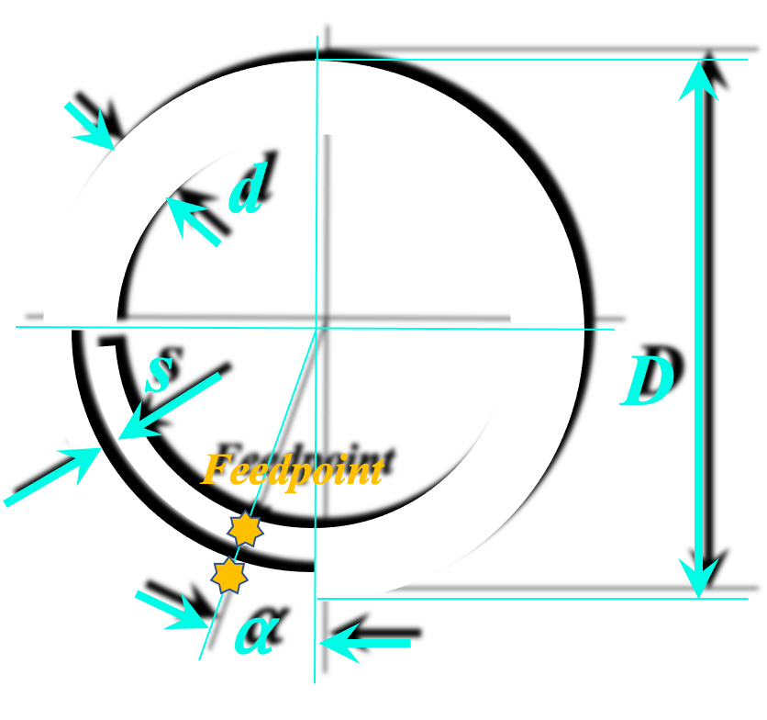
Synthesis of Band Loop Antenna
input

 | Frequency |  | f = | 2,400.0 | MHz
 | Band width |  | d = | 8.00 | mm
 | Band distance |  | s = | 1.34 | mm
 | Feed angle (feedpoint to short) |  | ⍺ = | 15.3 | °
 | Relative effective permitivity |  | ℇr = | 1.12

output

 | Circumference (1 wavelength) |  | C = | 118.11 | mm
 | Outer diameter |  | D = | 37.60 | mm | fac = | 541.93345087
 | Loop impedance (terminating) |  | ZA = | 715.94 | Ohm | pot = | 0.17994191273
 | Waveguide imped. (feed netw.) |  | ZL = | 177.20 | Ohm | d/D = | 0.21278394578

output
% frequency deviation
 | Frequency deviation step for graphic |  |  | 3.0 | %
 | Frequency |  | f = | 2,400.0 | MHz
 | Waveguide impedance |  | ZL = | 177.2 | Ohm
 | Terminating impedance |  | ZA = | 715.9 | Ohm |  |  |  |  |  | a = | 1.2926150114 | 1.4026650089 | 1.525493738 | 1.663913244 | 1.8216077127 | 2.0035020007 | 2.2163341246 | 2.4695768042 | 2.7769844642 | 3.1593241458 | 3.6495019419 | 4.3029563321 | 5.220935916 | 6.6101490441 | 8.9684360079 | 13.875910752 | 30.437458414 | -159.79129422 | -22.031412255 | -11.811880228 | -8.0520285114
 | Short impedance |  | ZS = | 0.0 | Ohm |  |  |  |  |  | b = | 0.18943015971 | 0.19775426594 | 0.20610482969 | 0.21448305769 | 0.2228901718 | 0.23132740981 | 0.23979602618 | 0.24829729282 | 0.25683249992 | 0.26540295676 | 0.27400999257 | 0.28265495743 | 0.29133922313 | 0.30006418414 | 0.30883125858 | 0.31764188915 | 0.32649754424 | 0.33539971891 | 0.34434993603 | 0.35334974737 | 0.36240073482
 | Total waveguide length |  | L = | 0.0313 | m |  |  |  |  |  | c = | 0.38165196394 | 0.3620395286 | 0.34479294041 | 0.32961635931 | 0.31626264523 | 0.30452476878 | 0.29422895644 | 0.28522920108 | 0.27740285316 | 0.27064707264 | 0.26487597156 | 0.26001831508 | 0.25601567876 | 0.25282098267 | 0.25039734125 | 0.24871718238 | 0.24776160069 | 0.24751992026 | 0.24798944978 | 0.24917542108 | 0.25109110877
 | Feedpoint to Short |  | LS = | 0.0053 | m |  |  | 50.00 | + j | 0.00 | d = | -0.70054656747 | -0.64904399371 | -0.59958293742 | -0.551961701 | -0.50599345116 | -0.46150531634 | -0.4183372621 | -0.37634087138 | -0.3353781068 | -0.29532009947 | -0.25604598815 | -0.21744181936 | -0.17939951081 | -0.14181587509 | -0.10459169779 | -0.067630862065 | -0.03083951065 | 0.0058747639917 | 0.042603711326 | 0.079439206033 | 0.11647403289

output |  |  |  |  |  |  |  |  |  |  |  |  |  |  |  |  |  |  |  |  |  | Frequ var
 |  |  |  |  |  |  |  |  |  |  |  |  |  |  |  |  |  |  |  |  |  | 3
 | Wavelength |  | 𝛌 = | 0.1250 | m | a = | 3.6495019419 |  |  |  | Deviation | -30 | -27 | -24 | -21 | -18 | -15 | -12 | -9 | -6 | -3 | 0 | 3 | 6 | 9 | 12 | 15 | 18 | 21 | 24 | 27 | 30
 | Relative wavelength |  | 𝛌 = | 0.2500 |  | b = | 0.27400999257 |  |  |  |  | 1680 | 1752 | 1824 | 1896 | 1968 | 2040 | 2112 | 2184 | 2256 | 2328 | 2400 | 2472 | 2544 | 2616 | 2688 | 2760 | 2832 | 2904 | 2976 | 3048 | 3120
 |  |  |  |  |  | c = | 0.26487597156 |  |  |  |  | 177.20342669 | 177.20342669 | 177.20342669 | 177.20342669 | 177.20342669 | 177.20342669 | 177.20342669 | 177.20342669 | 177.20342669 | 177.20342669 | 177.20342669 | 177.20342669 | 177.20342669 | 177.20342669 | 177.20342669 | 177.20342669 | 177.20342669 | 177.20342669 | 177.20342669 | 177.20342669 | 177.20342669
towards antenna |  |  |  |  |  | d = | -0.25604598815 |  |  |  |  | 715.94214086 | 715.94214086 | 715.94214086 | 715.94214086 | 715.94214086 | 715.94214086 | 715.94214086 | 715.94214086 | 715.94214086 | 715.94214086 | 715.94214086 | 715.94214086 | 715.94214086 | 715.94214086 | 715.94214086 | 715.94214086 | 715.94214086 | 715.94214086 | 715.94214086 | 715.94214086 | 715.94214086
 | Waveguide length |  | LA = | 0.0259 | m |  |  |  |  |  |  | 0 | 0 | 0 | 0 | 0 | 0 | 0 | 0 | 0 | 0 | 0 | 0 | 0 | 0 | 0 | 0 | 0 | 0 | 0 | 0 | 0
 | Relative waveguide length |  |  | 0.2074 | 𝛌 |  |  |  |  |  |  | 0.03125 | 0.03125 | 0.03125 | 0.03125 | 0.03125 | 0.03125 | 0.03125 | 0.03125 | 0.03125 | 0.03125 | 0.03125 | 0.03125 | 0.03125 | 0.03125 | 0.03125 | 0.03125 | 0.03125 | 0.03125 | 0.03125 | 0.03125 | 0.03125
 | Transformed impedance |  | Re (Z1A) = | 46.94 | Ohm |  |  |  |  |  | ok | 0.005320660681 | 0.005320660681 | 0.005320660681 | 0.005320660681 | 0.005320660681 | 0.005320660681 | 0.005320660681 | 0.005320660681 | 0.005320660681 | 0.005320660681 | 0.005320660681 | 0.005320660681 | 0.005320660681 | 0.005320660681 | 0.005320660681 | 0.005320660681 | 0.005320660681 | 0.005320660681 | 0.005320660681 | 0.005320660681 | 0.005320660681
 |  |  | j Im (Z1A) = | -45.37 | Ohm

towards short |  |  |  |  |  |  |  |  |  |  |  | 0.17857142857 | 0.17123287671 | 0.16447368421 | 0.1582278481 | 0.15243902439 | 0.14705882353 | 0.14204545455 | 0.13736263736 | 0.1329787234 | 0.12886597938 | 0.125 | 0.1213592233 | 0.1179245283 | 0.11467889908 | 0.11160714286 | 0.10869565217 | 0.10593220339 | 0.10330578512 | 0.10080645161 | 0.09842519685 | 0.096153846154
 | Waveguide length |  | LS = | 0.0053 | m |  |  |  |  |  |  | 0.175 | 0.1825 | 0.19 | 0.1975 | 0.205 | 0.2125 | 0.22 | 0.2275 | 0.235 | 0.2425 | 0.25 | 0.2575 | 0.265 | 0.2725 | 0.28 | 0.2875 | 0.295 | 0.3025 | 0.31 | 0.3175 | 0.325
 | Relative waveguide length |  |  | 0.0426 | 𝛌
 | Transformed impedance |  | Re (Z1S) = | 0.00 | Ohm
 |  |  | j Im (Z1S) = | 48.56 | Ohm |  |  |  |  |  |  | 0.025929339319 | 0.025929339319 | 0.025929339319 | 0.025929339319 | 0.025929339319 | 0.025929339319 | 0.025929339319 | 0.025929339319 | 0.025929339319 | 0.025929339319 | 0.025929339319 | 0.025929339319 | 0.025929339319 | 0.025929339319 | 0.025929339319 | 0.025929339319 | 0.025929339319 | 0.025929339319 | 0.025929339319 | 0.025929339319 | 0.025929339319
 |  |  |  |  |  |  |  |  |  |  |  | 0.14520430019 | 0.15142734162 | 0.15765038306 | 0.1638734245 | 0.17009646593 | 0.17631950737 | 0.18254254881 | 0.18876559024 | 0.19498863168 | 0.20121167312 | 0.20743471455 | 0.21365775599 | 0.21988079743 | 0.22610383886 | 0.2323268803 | 0.23854992174 | 0.24477296317 | 0.25099600461 | 0.25721904604 | 0.26344208748 | 0.26966512892
 |  |  |  |  |  |  |  |  |  |  |  | 67.630035815 | 64.154645066 | 61.09849054 | 58.409148364 | 56.04282447 | 53.96283254 | 52.138379313 | 50.543591825 | 49.156736154 | 47.959588696 | 46.936929808 | 46.076136435 | 45.366855564 | 44.800744469 | 44.371266905 | 44.073536995 | 43.904204646 | 43.861378046 | 43.944580284 | 44.154738464 | 44.494204886
 | Transformed impedance Z |  | Re (Z) = | 50.00 | Ohm |  |  |  |  |  |  | -124.13925231 | -115.01281976 | -106.2481511 | -97.809504821 | -89.663773429 | -81.780323493 | -74.130796358 | -66.688892013 | -59.430149763 | -52.331733597 | -45.372226491 | -38.531435498 | -31.790208063 | -25.130259025 | -18.534007253 | -11.984420508 | -5.4648669647 | 1.0410283103 | 7.5495236368 | 14.076899523 | 20.639597749
 |  |  | j Im (Z) = | 0.00 | Ohm

 |  |  | Abs = | 50.00 | Ohm
 |  |  |  |  |  |  |  |  |  |  |  | 0.005320660681 | 0.005320660681 | 0.005320660681 | 0.005320660681 | 0.005320660681 | 0.005320660681 | 0.005320660681 | 0.005320660681 | 0.005320660681 | 0.005320660681 | 0.005320660681 | 0.005320660681 | 0.005320660681 | 0.005320660681 | 0.005320660681 | 0.005320660681 | 0.005320660681 | 0.005320660681 | 0.005320660681 | 0.005320660681 | 0.005320660681
 |  |  |  |  |  |  |  |  |  |  |  | 0.029795699813 | 0.031072658377 | 0.03234961694 | 0.033626575504 | 0.034903534067 | 0.036180492631 | 0.037457451194 | 0.038734409757 | 0.040011368321 | 0.041288326884 | 0.042565285448 | 0.043842244011 | 0.045119202575 | 0.046396161138 | 0.047673119701 | 0.048950078265 | 0.050227036828 | 0.051503995392 | 0.052780953955 | 0.054057912519 | 0.055334871082
Solver Application |  |  |  |  |  |  |  |  |  |  |  | 0 | 0 | 0 | 0 | 0 | 0 | 0 | 0 | 0 | 0 | 0 | 0 | 0 | 0 | 0 | 0 | 0 | 0 | 0 | 0 | 0
input |  | output |  |  |  |  |  |  |  |  |  | 33.567673419 | 35.042733568 | 36.52248208 | 38.00713279 | 39.496902219 | 40.992009706 | 42.492677546 | 43.999131127 | 45.511599072 | 47.030313393 | 48.555509632 | 50.087427028 | 51.626308668 | 53.172401658 | 54.72595729 | 56.287231219 | 57.856483647 | 59.433979503 | 61.019988646 | 62.614786056 | 64.218652046

 | to be: Re Z |  |  | 50.00 | Ohm
 | to be: Im Z |  |  | 0.00 | Ohm | These fields are dedicated to work with EXCEL Solver.
 |  |  |  |  |  | Use CRG method, set goal to minimize the cost function. |  |  |  |  | Re(Z) / Ohm | 5.9641985861 | 7.4951210862 | 9.4824510129 | 12.074277637 | 15.453274286 | 19.817008707 | 25.31133407 | 31.877885387 | 39.009312093 | 45.562320632 | 49.999924552 | 51.225746031 | 49.320472981 | 45.343392569 | 40.531372492 | 35.75630644 | 31.453177668 | 27.761070469 | 24.66867619 | 22.105468399 | 19.987205028
 | Squared Deviation |  |  | 5.69E-09 |  |  |  |  |  |  | Im(Z) / Ohm | 1.0686243344 | 0.28489803759 | -0.62645251714 | -1.6633957213 | -2.79701728 | -3.9449784577 | -4.9309467128 | -5.4413158918 | -5.028320285 | -3.2533333764 | 8.3355193221E-05 | 4.2854659771 | 8.7799400892 | 12.769714403 | 15.932365237 | 18.274781611 | 19.953085418 | 21.146145573 | 22.003557181 | 22.635757621 | 23.11972871
 | Squared Deviation |  |  | 6.95E-09

 | Cost function for solver |  |  | 1.26E-08

ZA for Loops
Loop Antenna Impedance from Experience

Functional Approximation

 | D = | 110 | mm

 |  | factor | 541.93345087
 |  | pot | 0.17994191273

d | d/D | ZA | Zsim
1 | 0.0090909090909 | 1261 | 1262.6356959 |  | 2.6755011156
2.53 | 0.022936363636 | 1072 | 1068.9473237 |  | 9.3188328235
12.5 | 0.11363636364 | 800 | 801.48975846 |  | 2.2193802674

 |  |  |  | Cost fct: | 14.213714206
1.5
D
10
d | d/D |  | ZAsim
0.001 | 0.0001 |  | 2842.5859792
0.0015 | 0.00015 |  | 2642.5755451
0.00225 | 0.000225 |  | 2456.6382732
0.003375 | 0.0003375 |  | 2283.7839458
0.0050625 | 0.00050625 |  | 2123.0920188
0.00759375 | 0.000759375 |  | 1973.7067198
0.011390625 | 0.0011390625 |  | 1834.8324902
0.0170859375 | 0.00170859375 |  | 1705.7297487
0.02562890625 | 0.002562890625 |  | 1585.7109524
0.038443359375 | 0.0038443359375 |  | 1474.1369355
0.057665039063 | 0.0057665039063 |  | 1370.4135053
0.086497558594 | 0.0086497558594 |  | 1273.9882776
0.12974633789 | 0.012974633789 |  | 1184.3477354
0.19461950684 | 0.019461950684 |  | 1101.0144936
0.29192926025 | 0.029192926025 |  | 1023.5447571
0.43789389038 | 0.043789389038 |  | 951.52595702
0.65684083557 | 0.065684083557 |  | 884.57455391
0.98526125336 | 0.098526125336 |  | 822.33399483
1.47789188 | 0.147789188 |  | 764.47281472
2.2168378201 | 0.22168378201 |  | 710.6828711
3.3252567301 | 0.33252567301 |  | 660.67770304

